Sheet1
 |  | Document No. | Issue No. | Issue Date |  |  | Review and Replace Date |  |  | Authorised By
 |  | GFF211MC | 5 | 10.09.2020 |  |  | 28.11.2022 |  |  | Magda Shah
 |  | Document Title | MUGHLAI LAMB 350g

Document amendments reason for change |  | Tray and Film Updated |  | Page 1 of 1 |  | Previous Issue Date |  | 22.12.2021 |  | Uncontrolled copy unless signed original

CLMUG-R4TCC | CHEFS CREATION |  | MUGHLAI LAMB 350g | CHILLED
STEP 1 |  |  |  |  | STEP 2
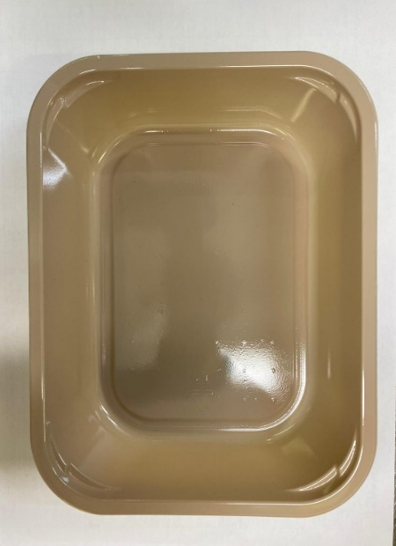 |  |  |  |  | 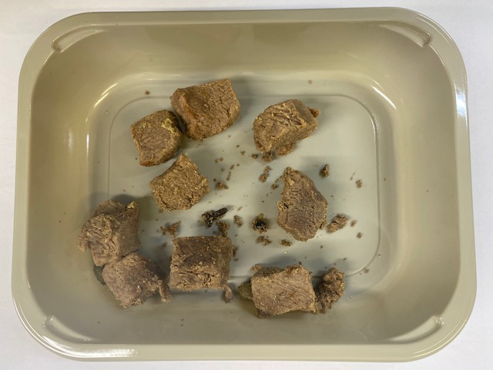

Tray: EVOLVE CPET 2200-1E FROST(PKRHP001-15) |  |  |  |  | Cooked Lamb (GFF165R): 70g

Film: K Peel 3G 25µm (275mmX1000lm) (PKKMP001-04)

STEP 3 |  |  | STEP 4
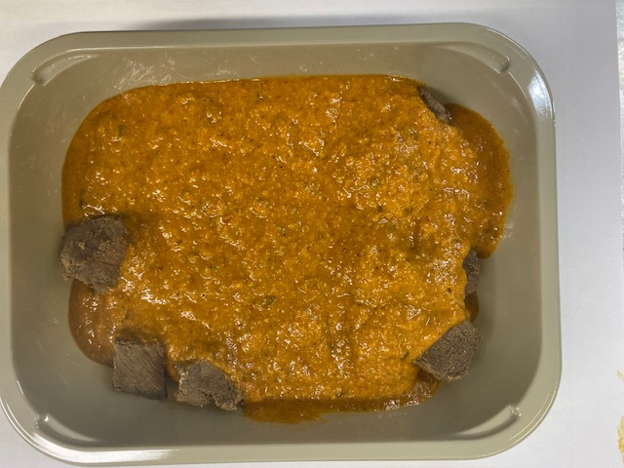 |  |  | 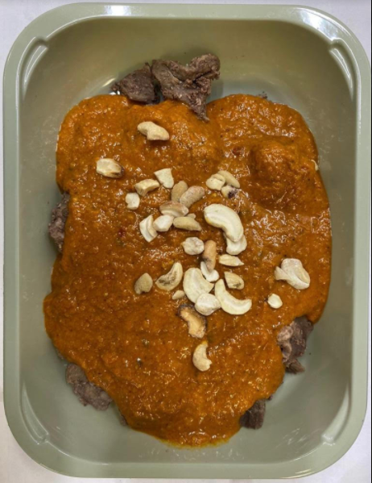

Nawabi Curry (CC) (GFF321R): 275g |  |  | LP Roasted Cashews 12.5KG (RMKLU001-03): 5g |  |  |  |  |  | TOTAL WEIGHT: 350g
70g + 275g = 345g
ALLERGY ALERT: BARLEY, MILK, NUTS

